MA1
kg
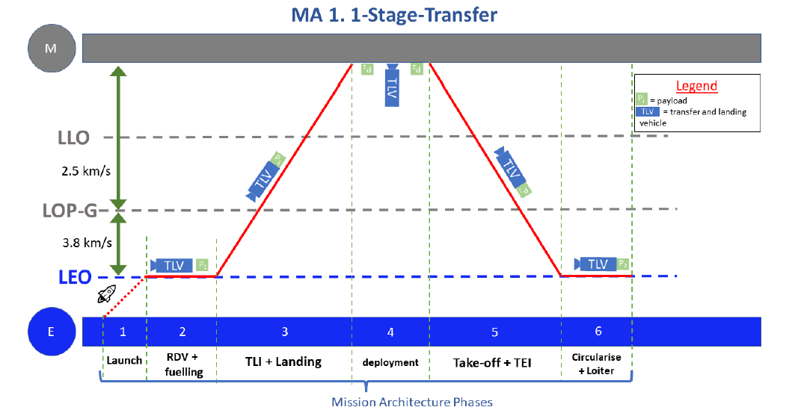

 |  |  |  |  |  |  | MA1 TLV |  |  | Construction Lift reqs |  | Cycle Lift Reqs
 |  |  |  |  |  |  | mp | 2,000.00 |  | md_TLV | 1,887.57 | mp_TLV | 2,000.00
 |  |  |  |  |  | no | ln coeff | 367.29 |  | m_prop_TLV | 120,845.09
 |  |  |  |  |  | free | constant | -904.17 |  |  |  | m_prop_TLV | 120,845.09
 |  |  |  |  |  | gas | mdry | 1,887.57 |  |  |  | cycle _m_LEO | 122,845.09
 |  |  |  |  |  |  | Isp | 350.00 |  | m_d_L | 0.00
 |  |  |  |  |  |  | dV | 11,800.00 |  | m_prop_L | 0.00
 |  |  |  |  |  |  | mprop | 120,845.09 |  | Con_m_LEO | 122,732.66
 |  |  |  |  |  |  | mt | 124,732.66

 |  |  |  |  |  |  | MA1 TLV |  |  | Construction Lift reqs |  | Cycle Lift Reqs
 |  |  |  |  |  |  | mp | 2,000.00 |  | md_TLV | 1,887.57 | mp_TLV | 2,000.00
 |  |  |  |  |  |  | ln coeff | 367.29 |  | m_prop_TLV | 21,674.71
 |  |  |  |  |  | free | constant | -904.17 |  |  |  | m_prop_TLV | 21,674.71
 |  |  |  |  |  | gas | mdry | 1,887.57 |  |  |  | cycle _m_LEO | 23,674.71
 |  |  |  |  |  | on | Isp | 350.00 |  | m_d_L | 0.00
 |  |  |  |  |  | the moon | dV | 5,900.00 |  | m_prop_L | 0.00
 |  |  |  |  |  |  | mprop | 21,674.71 |  | Con_m_LEO | 23,562.28
 |  |  |  |  |  |  | mt | 25,562.28

 | MA1 TLV |  |  |  |  |  | MA1 TLV |  |  | Construction Lift reqs |  | Cycle Lift Reqs
 | mp | 2000.00 |  |  |  |  | mp | 2,000.00 |  | md_TLV | 1,887.57 | mp_TLV | 2,000.00
 | ln coeff | 367.29 |  |  |  | free | ln coeff | 367.29 |  | m_prop_TLV | 10,464.89
 | constant | -904.17 |  |  |  | gas | constant | -904.17 |  |  |  | m_prop_TLV | 10,464.89
 | mdry | 1887.57 |  |  |  | at LOPG | mdry | 1,887.57 |  |  |  | cycle _m_LEO | 12,464.89
 | Isp | 450.00 |  |  |  |  | Isp | 350.00 |  | m_d_L | 0.00
 | dV | 5000.00 |  |  |  |  | dV | 3,400.00 |  | m_prop_L | 0.00
 | mprop | 12066.27 |  |  |  |  | mprop | 10,464.89 |  | Con_m_LEO | 12,352.46
 | mt | 15953.84 |  |  |  |  | mt | 14,352.46

 |  |  |  |  |  |  | MA1 TLV |  |  | Construction Lift reqs |  | Cycle Lift Reqs
 |  |  |  |  |  |  | mp | 2,000.00 |  | md_TLV | 1,887.57 | mp_TLV | 2,000.00
 |  |  |  |  |  | free | ln coeff | 367.29 |  | m_prop_TLV | 10,464.89
 |  |  |  |  |  | gas | constant | -904.17 |  |  |  | m_prop_TLV | 0.00
 |  |  |  |  |  | at LEO | mdry | 1,887.57 |  |  |  | cycle _m_LEO | 2,000.00
 |  |  |  |  |  | and LOPG | Isp | 350.00 |  | m_d_L | 0.00
 |  |  |  |  |  |  | dV | 3,400.00 |  | m_prop_L | 0.00
 |  |  |  |  |  |  | mprop | 10,464.89 |  | Con_m_LEO | 12,352.46
 |  |  |  |  |  |  | mt | 14,352.46

 | Subsystem Masses of Landers
coeffs | Beyond Apollo |  | Isaji |  | coeffs
 | payload | 2000.00 | payload | 2000.00
 | dry mass | 1887.57 | dry mass | 1887.57
0.276 | Structure | 520.97 | Structure + TPS | 1454.71 | 1.325 | 2.863 | 0.00005651 | 5.269 | 1390
0.337 | Propulsion | 636.11 | Propulsion | 111.92 | 2.702 | 2.785 | 0.01813 | 4.348
0.076 | Power | 143.45 | Power
0.088 | Avionics | 166.11 | Avionics
0.13 | Thermal | 245.38
0.094 | Other | 177.43 | Other
 | Propellant | 120845.09 | Propellant

Lander Total Mass Breakdown
payload | 2000.00
dry mass | 1887.57
Propellant | 120845.09

Lander Total Mass Breakdown
payload | 2000.00
Structure | 520.97
Propulsion | 636.11
Power | 143.45
Avionics | 166.11
Thermal | 245.38
Other | 177.43

MA2
kg

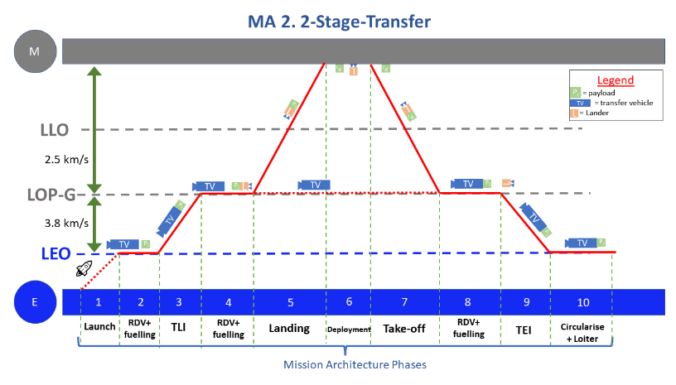
 |  |  |  |  |  |  | Payload Transfer Vehicle (F2) |  |  | Construction Lift reqs |  | Cycle Lift Reqs
 |  |  |  |  |  |  | mp_TV | 14066.27 |  | md_TVc | 3900.00 | mp_L | 2000.00
 |  |  |  |  |  | no | Ek | 1.37E+08 |  | m_prop_TVc | 17616.13 | m_prop_L | 12066.27
 |  |  |  |  |  | free | dV req | 7600.00 |  | m_d_TVp | 3900.00 | m_prop_TV | 166451.21
 |  |  |  |  |  | gas | md_ref_TV | 3900.00 |  | m_prop_TVp | 166451.21 | cycle _m_LEO | 180517.49
 |  |  |  |  |  |  | TV_Isp | 348.00 |  | m_d_L | 1887.57
 |  |  |  |  |  |  | mprop_TV | 166451.21 |  | m_prop_L | 12066.27
 |  |  |  |  |  |  | mt_TVp | 184417.49 |  | Con_m_LEO | 205821.18

 | MA2 Lander |  |  | Construction Transfer (F2) |  |  | Payload Transfer Vehicle (F2) |  |  | Construction Lift reqs |  | Cycle Lift Reqs
 | mp | 2000.00 |  | mp_TV | 1887.57 |  | mp_TV | 2000.00 |  | md_TV | 3900.00 | mp_L | 2000.00
 | ln coeff | 367.29 |  | Ek | 3.48E+11 | free | Ek | 3.48E+11 |  | m_prop_TV | 17616.13 | m_prop_L | 0.00
 | constant | -904.17 |  | dV req | 3800.00 | gas | dV req | 3800.00 |  | m_d_TVp | 3900.00 | m_prop_TV | 17958.35
 | mdry | 1887.57 |  | md_ref_TV | 3900.00 | at LOPG | md_ref_TV | 3900.00 |  | m_prop_TVp | 17958.35 | cycle _m_LEO | 19958.35
 | Isp | 450.00 |  | TV_Isp | 348.00 |  | TV_Isp | 348.00 |  | m_d_L | 1887.57
 | dV | 5000.00 |  | mprop_TV | 17616.13 |  | mprop_TV | 17958.35 |  | m_prop_L | 0.00
 | mprop | 12066.27 |  | mt_TVc | 23403.69 |  | mt_TVp | 23858.35 |  | Con_m_LEO | 45262.04
 | mt | 15953.84

 |  |  |  |  |  |  | Payload Transfer Vehicle (F2) |  |  | Construction Lift reqs |  | Cycle Lift Reqs
 |  |  |  |  |  |  | mp_TV | 14066.27 |  | md_TV | 3900.00 | mp_L | 2000.00
 |  |  |  |  |  | free | Ek | 3.48E+11 |  | m_prop_TVc | 0.00 | m_prop_L | 0.00 |  |  | Lander (L)
 |  |  |  |  |  | gas | dV req | 7600.00 |  | m_d_TVp | 3900.00 | m_prop_TV | 0.00 |  |  | property | value | note
 |  |  |  |  |  | at LEO | md_ref_TV | 3900.00 |  | m_prop_TVp | 0.00 | cycle _m_LEO | 2000.00 |  |  | mp [kg] | 2000
 |  |  |  |  |  |  | TV_Isp | 348.00 |  | m_d_L | 1887.57 |  |  |  |  | Isp [s] | 350
 |  |  |  |  |  |  | mprop_TV | 166451.21 |  | m_prop_L | 0.00 |  |  |  |  | ΔV [m/s] | 5000
 |  |  |  |  |  |  | mt_TVp | 184417.49 |  | Con_m_LEO | 9687.57 |  |  |  |  | α | 367.29 | Statistical analysis
 |  |  |  |  |  |  |  |  |  |  |  |  |  |  |  | β | -904.17 | Statistical analysis
 |  |  |  |  |  |  |  |  |  |  |  |  |  |  |  | mdry [kg] | 1888 | = α × ln(mp) + β
 | Subsystem Masses of Landers |  |  |  |  |  |  |  |  |  |  |  |  |  |  | mprop [kg] | 16677 | Tsiolkovsky
coeffs | Beyond Apollo |  | Isaji |  | coeffs |  |  |  |  |  |  |  |  |  |  | mt [kg] | 20564 | = mp + mdry + mprop
 | payload | 2000.00 | payload | 2000.00 |  |  |  |  |  |  |  |  |  |  |  | Transfer Vehicle
 | dry mass | 1887.57 | dry mass | 1887.57 |  |  |  |  |  |  |  |  |  |  |  | property | value | note
0.276 | Structure | 520.97 | Structure + TPS | 1454.71 | 1.325 | 2.863 | 0.00005651 | 5.269 | 1390 |  |  |  |  | Payload Transfer Vehicle (F2) |  | mp, TV [kg] | 2000
0.337 | Propulsion | 636.11 | Propulsion | 111.92 | 2.702 | 2.785 | 0.01813 | 4.348 |  |  |  |  |  | mp_TV | 2000 | Kinetic E [J] | 2.49E+07 | = ΔV × mfinal
0.076 | Power | 143.45 | Power |  |  |  |  |  |  |  |  |  |  | Ek | 348000000000 | ΔV | 3800
0.088 | Avionics | 166.11 | Avionics |  |  |  |  |  |  |  |  |  |  | dV req | 3800 | Isp, TV | 348
0.13 | Thermal | 245.38 |  |  |  |  |  |  |  |  |  |  |  | md_ref_TV | 3900 | md, TV | 4540 | Ariane 5 ESC (ref.)
0.094 | Other | 177.43 | Other |  |  |  |  |  |  |  |  |  |  | TV_Isp | 348 | mprop, TV | 17958 | Tsiolkovsky
 | Propellant | 12066.27 | Propellant |  |  |  |  |  |  |  |  |  |  | mprop_TV | 17958 | mt, TV | 23858 | = mp + mdry + mprop
 |  |  |  |  |  |  |  |  |  |  |  |  |  | mt_TVp | 23858 | Launcher
ORLA Lander Total Mass Breakdown
payload | 2000.00
dry mass | 1887.57
Propellant | 12066.27
ORLA Lander Total Mass Breakdown
payload | 2000.00
Structure | 520.97
Propulsion | 636.11
Power | 143.45
Avionics | 166.11
Thermal | 245.38
Other | 177.43
 |  |  |  |  |  |  |  |  |  |  |  |  |  |  |  | property | value | note
 |  |  |  |  |  |  |  |  |  |  |  |  |  |  |  | mp, Lander [kg] | 2000 | Free gas at LOP-G
 |  |  |  |  |  |  |  |  |  |  |  |  |  |  |  | mprop, TV [kg] | 17958
 |  |  |  |  |  |  |  |  |  |  |  |  |  |  |  | mp, LEO [kg] | 19958

MA3
kg

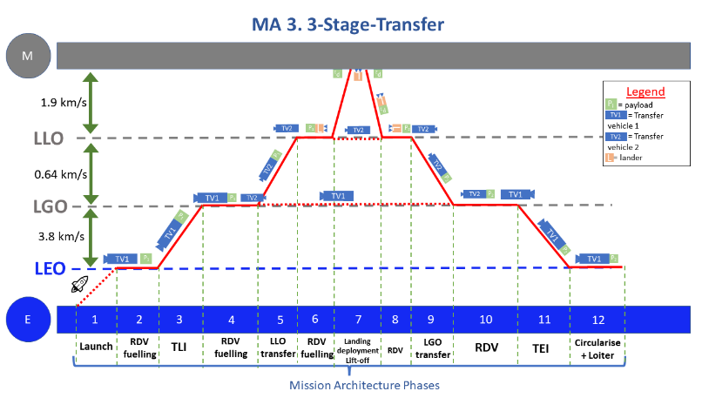

 |  |  |  |  |  |  | Payload Transfer Vehicle 1 |  |  | Payload Transfer Vehicle 2 |  | Construction Lift reqs |  | Cycle Lift Reqs
 |  |  |  |  |  |  | mp_TV | 14463.14 |  | mp_TV | 25291.26 | md_TVc | 3900.00 | mp_L | 2000.00
 |  |  |  |  |  | no | Ek | 3.48E+11 |  | Ek | 3.48E+11 | m_prop_TVc | 17616.13 | m_prop_L | 12463.14
 |  |  |  |  |  | free | dV req | 3800.00 |  | dV req | 640.00 | m_d_TVp | 3900.00 | m_prop_TV | 55893.50
 |  |  |  |  |  | gas | md_ref_TV | 3900.00 |  | md_ref_TV | 3900.00 | m_prop_TVp | 55893.50 | cycle _m_LEO | 70356.64
 |  |  |  |  |  |  | TV_Isp | 348.00 |  | TV_Isp | 348.00 | m_d_L | 1887.57
 |  |  |  |  |  |  | mprop_TV | 55893.50 |  | mprop_TV | 35210.32 | m_prop_L | 12463.14
 |  |  |  |  |  |  | mt_TVp | 74256.64 |  | mt_TVp | 64401.58 | Con_m_LEO | 95660.33

 | MA3 Lander |  |  | Construction Transfer (F2) |  |  | Payload Transfer Vehicle 1 |  |  | Payload Transfer Vehicle 2 |  | Construction Lift reqs |  | Cycle Lift Reqs
 | mp | 2000.00 |  | mp_TV | 1887.57 |  | mp_TV | 2000.00 |  | mp_TV2 | 14463.14 | md_TV1 | 3900.00 | mp_L | 2000.00
 | ln coeff | 367.29 |  | Ek | 3.48E+11 | free | Ek | 3.48E+11 |  | Ek | 3.48E+11 | md_TV2 |  | m_prop_L | 0.00
 | constant | -904.17 |  | dV req | 3800.00 | gas | dV req | 3800.00 |  | dV req | 640.00 |  | 3900.00 | m_prop_TV | 17958.35
 | mdry | 1887.57 |  | md_ref_TV | 3900.00 | at LOPG | md_ref_TV | 3900.00 |  | md_ref_TV | 3900.00 |  | 17958.35 | cycle _m_LEO | 19958.35
 | Isp | 350.00 |  | TV_Isp | 348.00 |  | TV_Isp | 348.00 |  | TV_Isp | 348.00 | m_d_L | 1887.57
 | dV | 4000.00 |  | mprop_TV | 17616.13 |  | mprop_TV | 17958.35 |  | mprop_TV | 22149.50 | m_prop_L | 0.00
 | mprop | 12463.14 |  | mt_TVc | 23403.69 |  | mt_TVp | 23858.35 |  | mt_TVp | 40512.64 | Con_m_LEO | 27645.92
 | mt | 16350.70

 |  |  |  |  |  |  | Payload Transfer Vehicle 1 |  |  | Payload Transfer Vehicle 2 |  | Construction Lift reqs |  | Cycle Lift Reqs
 |  |  |  |  |  |  | mp_TV | 14463.14 |  | mp_TV | 25291.26 | md_TV | 3900.00 | mp_L | 2000.00
 |  |  |  |  |  | free | Ek | 3.48E+11 |  | Ek | 3.48E+11 | m_prop_TVc | 0.00 | m_prop_L | 0.00
 |  |  |  |  |  | gas | dV req | 3800.00 |  | dV req | 640.00 | m_d_TVp | 3900.00 | m_prop_TV | 0.00
 |  |  |  |  |  | at LEO | md_ref_TV | 3900.00 |  | md_ref_TV | 3900.00 | m_prop_TVp | 0.00 | cycle _m_LEO | 2000.00
 |  |  |  |  |  |  | TV_Isp | 348.00 |  | TV_Isp | 348.00 | m_d_L | 1887.57
 |  |  |  |  |  |  | mprop_TV | 55893.50 |  | mprop_TV | 35210.32 | m_prop_L | 0.00
 |  |  |  |  |  |  | mt_TVp | 74256.64 |  | mt_TVp | 64401.58 | Con_m_LEO | 9687.57

 | Subsystem Masses of Landers
coeffs | Beyond Apollo |  | Isaji |  | coeffs
 | payload | 2000.00 | payload | 2000.00
 | dry mass | 1887.57 | dry mass | 1887.57
0.276 | Structure | 520.97 | Structure + TPS | 1454.71 | 1.325 | 2.863 | 0.00005651 | 5.269 | 1390
0.337 | Propulsion | 636.11 | Propulsion | 111.92 | 2.702 | 2.785 | 0.01813 | 4.348
0.076 | Power | 143.45 | Power
0.088 | Avionics | 166.11 | Avionics
0.13 | Thermal | 245.38
0.094 | Other | 177.43 | Other
 | Propellant | 12463.14 | Propellant

ORLA Lander Total Mass Breakdown
payload | 2000.00
dry mass | 1887.57
Propellant | 12066.27

ORLA Lander Total Mass Breakdown
payload | 2000.00
Structure | 520.97
Propulsion | 636.11
Power | 143.45
Avionics | 166.11
Thermal | 245.38
Other | 177.43

MA4
kg
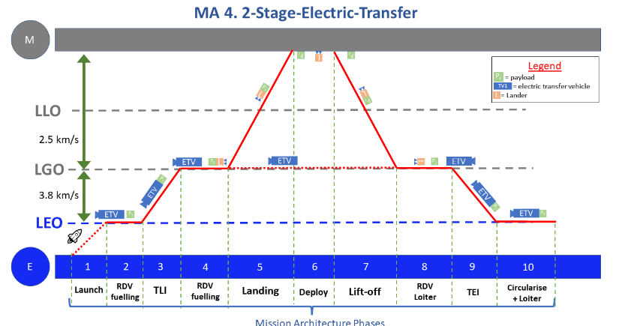

 |  |  |  |  |  |  | Electric Transfer Vehicle (F2) |  |  | Construction Lift reqs |  | Cycle Lift Reqs
 |  |  |  |  |  |  | mp_TV | 18676.88 |  | md_TVc | 3900.00 | mp_L | 2000.00
 |  |  |  |  |  | no | Ek | 9.56E+10 |  | m_prop_TVc | 17616.13 | m_prop_L | 16676.88
 |  |  |  |  |  | free | dV req | 3800.00 |  | m_d_TVp | 3900.00 | m_prop_TV | 25926.59
 |  |  |  |  |  | gas | md_ref_TV | 3900.00 |  | m_prop_TVp | 25926.59 | cycle _m_LEO | 44603.46
 |  |  |  |  |  |  | TV_Isp | 2800.00 |  | m_d_L | 1887.57
 |  |  |  |  |  |  | mprop_TV | 25926.59 |  | m_prop_L | 16676.88
 |  |  |  |  |  |  | mt_TVp | 48503.46 |  | Con_m_LEO | 69907.16

 | MA2 Lander |  |  | Construction Transfer (F2) |  |  | Electric Transfer Vehicle (F2) |  |  | Construction Lift reqs |  | Cycle Lift Reqs
 | mp | 2000.00 |  | mp_TV | 1887.57 |  | mp_TV | 2000.00 |  | md_TV | 3900.00 | mp_L | 2000.00
 | ln coeff | 367.29 |  | Ek | 3.48E+11 | free | Ek | 3.48E+11 |  | m_prop_TV | 17616.13 | m_prop_L | 0.00
 | constant | -904.17 |  | dV req | 3800.00 | gas | dV req | 3800.00 |  | m_d_TVp | 3900.00 | m_prop_TV | 6775.38
 | mdry | 1887.57 |  | md_ref_TV | 3900.00 | at LOPG | md_ref_TV | 3900.00 |  | m_prop_TVp | 6775.38 | cycle _m_LEO | 8775.38
 | Isp | 350.00 |  | TV_Isp | 348.00 |  | TV_Isp | 2800.00 |  | m_d_L | 1887.57
 | dV | 5000.00 |  | mprop_TV | 17616.13 |  | mprop_TV | 6775.38 |  | m_prop_L | 0.00
 | mprop | 16676.88 |  | mt_TVc | 23403.69 |  | mt_TVp | 12675.38 |  | Con_m_LEO | 34079.07
 | mt | 20564.44

 |  |  |  |  |  |  | Electric Transfer Vehicle (F2) |  |  | Construction Lift reqs |  | Cycle Lift Reqs
 |  |  |  |  |  |  | mp_TV | 18676.88 |  | md_TV | 3900.00 | mp_L | 2000.00
 |  |  |  |  |  | free | Ek | 3.48E+11 |  | m_prop_TVc | 0.00 | m_prop_L | 0.00
 |  |  |  |  |  | gas | dV req | 3800.00 |  | m_d_TVp | 3900.00 | m_prop_TV | 0.00
 |  |  |  |  |  | at LEO | md_ref_TV | 3900.00 |  | m_prop_TVp | 0.00 | cycle _m_LEO | 2000.00
 |  |  |  |  |  |  | TV_Isp | 2800.00 |  | m_d_L | 1887.57
 |  |  |  |  |  |  | mprop_TV | 25926.59 |  | m_prop_L | 0.00
 |  |  |  |  |  |  | mt_TVp | 48503.46 |  | Con_m_LEO | 9687.57

 | Subsystem Masses of Landers
coeffs | Beyond Apollo |  | Isaji |  | coeffs
 | payload | 2000.00 | payload | 2000.00
 | dry mass | 1887.57 | dry mass | 1887.57
0.276 | Structure | 520.97 | Structure + TPS | 1454.71 | 1.325 | 2.863 | 0.00005651 | 5.269 | 1390
0.337 | Propulsion | 636.11 | Propulsion | 111.92 | 2.702 | 2.785 | 0.01813 | 4.348
0.076 | Power | 143.45 | Power
0.088 | Avionics | 166.11 | Avionics
0.13 | Thermal | 245.38
0.094 | Other | 177.43 | Other
 | Propellant | 16676.88 | Propellant

ORLA Lander Total Mass Breakdown
payload | 2000.00
dry mass | 1887.57
Propellant | 12066.27
ORLA Lander Total Mass Breakdown
payload | 2000.00
Structure | 520.97
Propulsion | 636.11
Power | 143.45
Avionics | 166.11
Thermal | 245.38
Other | 177.43

MA5
kg

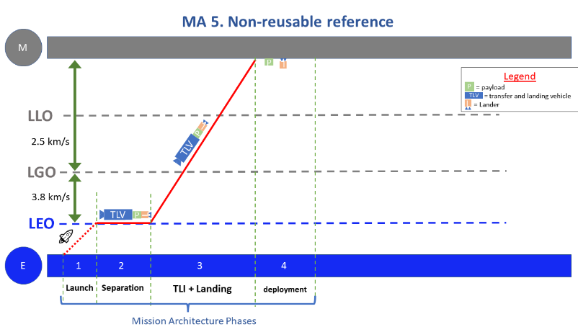

 |  |  |  |  |  | no
 |  |  |  |  |  | free
 |  |  |  |  |  | gas

 | MA2 Lander |  |  |  | Payload Transfer Vehicle (F2) |  |  |  | Cycle Lift Reqs
 | mp | 2000.00 |  |  | mp_TV | 10848.26 |  |  | mp_L | 2000.00
 | ln coeff | 367.29 |  | free | Ek | 3.48E+11 |  |  | m_prop_L | 6960.69
 | constant | -904.17 |  | gas | dV req | 4000.00 |  |  | m_prop_TV | 47599.03
 | mdry | 1887.57 |  | at LOPG | md_ref_TV | 3900.00 |  |  | cycle _m_LEO | 56559.72
 | Isp | 350.00 |  |  | TV_Isp | 348.00
 | dV | 2000.00 |  |  | mprop_TV | 47599.03
 | mprop | 6960.69 |  |  | mt_TVp | 62347.29
 | mt | 10848.26

 |  |  |  |  |  | free
 |  |  |  |  |  | gas
 |  |  |  |  |  | at LEO

 | Subsystem Masses of Landers
coeffs | Beyond Apollo |  | Isaji |  | coeffs
 | payload | 2000.00 | payload | 2000.00
 | dry mass | 1887.57 | dry mass | 1887.57
0.276 | Structure | 520.97 | Structure + TPS | 1454.71 | 1.325 | 2.863 | 0.00005651 | 5.269 | 1390
0.337 | Propulsion | 636.11 | Propulsion | 111.92 | 2.702 | 2.785 | 0.01813 | 4.348
0.076 | Power | 143.45 | Power
0.088 | Avionics | 166.11 | Avionics
0.13 | Thermal | 245.38
0.094 | Other | 177.43 | Other
 | Propellant | 6960.69 | Propellant

ORLA Lander Total Mass Breakdown
payload | 2000.00
dry mass | 1887.57
Propellant | 12066.27
ORLA Lander Total Mass Breakdown
payload | 2000.00
Structure | 520.97
Propulsion | 636.11
Power | 143.45
Avionics | 166.11
Thermal | 245.38
Other | 177.43

